Sheet1
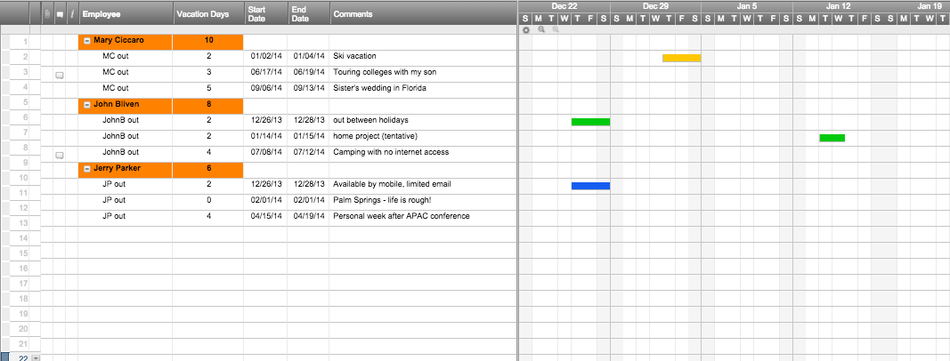
Vacation Schedule Template

Employee | Vacation Days | Start Date | End Date | Comments
Mary Ciccaro | 10
 | 2 | 2014-01-02 | 2014-01-04 | Ski vacation
 | 3 | 2014-06-17 | 2014-06-19 | Touring colleges with my son
 | 5 | 2014-09-06 | 2014-09-13 | Sister's wedding in Florida
John Bliven | 8
 | 2 | 2013-12-26 | 2013-12-28 | out between holidays
 | 2 | 2014-01-14 | 2014-01-15 | home project (tentative)
 | 4 | 2014-07-08 | 2014-07-12 | Camping with no internet access
Jerry Parker | 6
 | 2 | 2013-12-26 | 2013-12-28 | Available by mobile, limited email
 | 0 | 2014-02-01 | 2014-02-01 | Palm Springs - life is rough!
 | 4 | 2014-04-15 | 2014-04-19 | Personal week after APAC conference

Or, Click Here to Create Your Vacation Schedule Template

